Sheet1
 |  |  | 2078/79 | 50
Resident person |  |  | 2079/80 | 50
1. Nepalese natural person working economic/busniess in source of nepal. |  |  | 2081/82 | 82
2. Any foreigner stay in nepal more than or eaual to 183 days in one or more income year |  |  |  | 183
3. Any employee of government (Gazetted officer of Nepal government )of nepal working at abroad country and receive
salary from source of nepal (Ambesdor, representative, Police army)

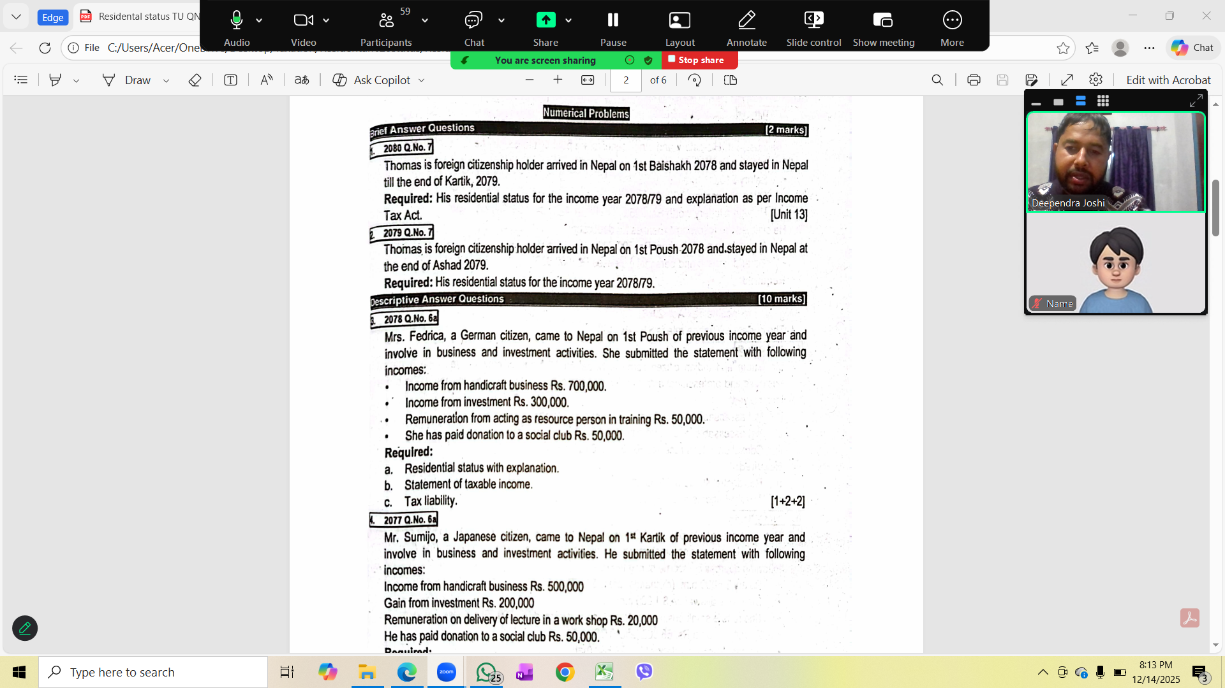
2078 | Solution
a. Mrs. Fedrica a German citizen, the length of stay in Nepal is (7x30=210 Days)
so her residental status is resident.

Statement of Taxable income
 | Particulars | Amount
 | Income from Handicraft Business | 700000
 | Income from Investment | 300000
 | Income from Acting resouce person in training | 50000
 | Total Assessable income | 1050000
 | Less: Allowable deduction
 | Donation
 | 5% of 1050000= 52500
 | Actual Donation paid=50000 | 50000
 | Max. 100000( which ever is less)
 | Net Taxable income | 1000000

 | Statement of tax liability: Single
 | Particulars | Amont
 | first 500000@0%
 | Next 200000@10% | 20000
 | Next 300000@20% | 60000

 | Net Tax Liabilities | 80000

 | Explanation: It is assumed that donation given to social club is tax exempt entity.
 | or It is assumed that social club is approved by Inland revenue Department (IRD)

2076
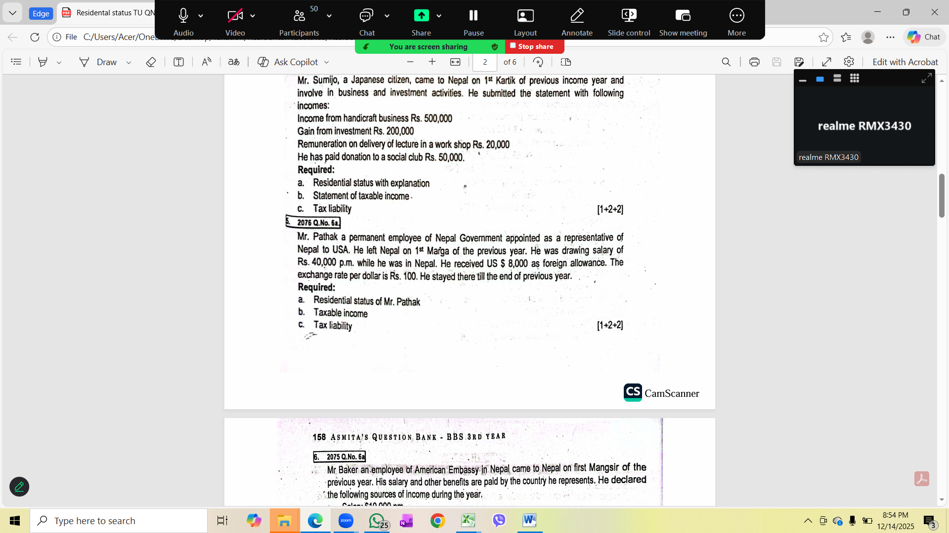
Solution
a. Mr. Pathak is permanent employee of
government of nepal appointed to USA as representative,
his residental status is resident

b. Statement of taxable income
 | Particulars | Amount
 | Salary (40000x12) | 480000
 | Contricution to PF by employer(480000x10%) | 48000
 | Dashain allowance( 1 month salary) | 40000
 | Foreign allwance(8000x100) | 800000
 | Total assessable income | 1368000
 | Less: Allowable deduction
 | a. Contribution of PF by employeer and employee
 | 1/3 of 13680000=456000
 | 20% 480000=96000 | 96000
 | Max.300000( whichver is less)
 | b. Foreign allowance exemption
 | 75% of foreign allowance | 600000
 | 800000x75%=600000
 | Net taxable income | 672000

 | Statement of tax liabilities : Single
 | Particulars | Amount
 | First 500000@1% | 5000
 | Next 172000@10% | 17200
 | Net tax Liabilities | 22200

 | Explatnation: 75% of foreign allowance is exempt from tax

