2081
TU 2081
Solution
Calculation Allowable Depreciation
Particulars\Blocks | B | C
Opening WDV | 400000 | 900000
Add: Addition or Absorbed |  |  | This year |  | Next year
1st ashwin(150000x3/3) | 150000 | - |  |  | 0 | Depn base= Opening +purchase- sales
1st Falgun(300000x2/3) | 200000 | 200000
21st Baisakh(600000x1/3) | - | 200000 |  |  | shrawan to poush end 3/3, 0
Total Assets | 750000 | 1300000 |  |  | Magh to chaitra end 2/3 ,1/3
Less: Disposed or sales | 50000 | 100000 |  |  | Baisakh to ashad end 1/3,2/3
Depreciation base(A) | 700000 | 1200000 |  | A=5%
Rate of depreciation | 25% | 20% |  | B=25%
Allowable depreciation(B) | 175000 | 240000 |  | C=20%
Closing WDV at year end(A-B) | 525000 | 960000 |  | D=15%
 |  |  |  | E= cost/life
Trding company,Compay pvt. Ltd, Traders, firm, Ram Rice mill---- Normal rate(5,25,20,15)
Manufacturing company, Industry pvt. ltd, production company , special company---- Special rate(6.67,33.33,26.67,20)
Liquor manufacturing company, gorkha beer insdustry, Surya nepal segregate karkhana----- normal rate(5,25,20,15)

Calculation Opening WDV for next year
Particulars\Blocks | B | C |  | Magh to chaitra end 2/3 ,1/3
Closing WDV at year end | 525000 | 960000 |  | Baisakh to ashad end 1/3,2/3
Add: Unabsorbed assets
1st Falgun(300000x1/3) | 100000 | 100000
21st Baisakh(600000x2/3) | - | 400000 |  | 600000-200000=400000
Capitalized Repairs | - | 6000
Openig WDV | 625000 | 1466000

Working note for capitalized repairs | B | C
Depreciation Base | 700000 | 1200000
Allowable 7% of depreciation base | 49000 | 84000 |  | If allowable is more than actual repair then capitalized repair is 0
Actual repair and maintenance cost | 40000 | 90000 | OR | if actual repair is less than allowable repair then capitalized repair is 0
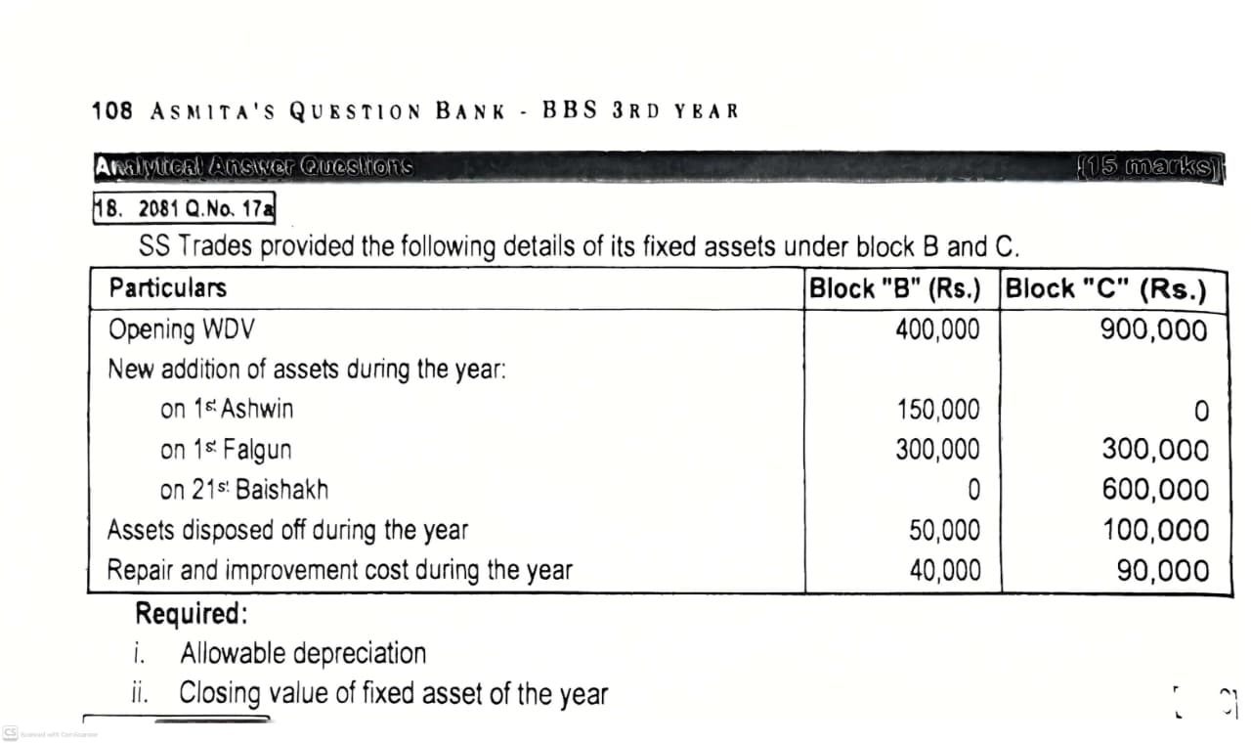
(whichever is less)
Capitalized repair | 0 | 6000

tu2075
TU 2075
Calculation of Allowable deperciation and Closing WDV
of industrial(Special) company
Particular\Blocks | Block B | Block D
Opening WDV | 500000 | 1000000
Add: Purchased or absorbed |  |  |  | Purchase date | This year | Next year
Magh Plant(600000x2/3) |  | 400000 |  | 1st shrawan to 30 poush | 3/3 | 0
Ashad furniture(150000x1/3 | 50000 |  |  | 1st magh to 30 chaitra | 2/3 | 1/3
Total Assets | 550000 | 1400000 |  | 1st baisakh to 30 Ashad | 1/3 | 2/3
Less: Disposal(cash Value) | - | 200000
Depreciation base(A) | 550000 | 1200000
Rate of Depreciation | 33.33% | 20% |  | 5% | A=Building
Alloawable Depreciation(B) | 183315 | 240000 |  | 25% | B= Furniture |  | 25+25 x1/3=33.33%
Closing WDV | 366685 | 960000 |  | 20% | C= Motor vehicle
 |  |  |  | 15% | D= Plant machinery |  | 15+15*1/3=20%
working Note Special industry rate
25+25x1/3=33.33, 15+15x1/3=20 |  |  | Manufacturing company or industry running by entity (company ma darta vayako)
Closing WDV next year=Opening WDV |  |  | Production industry, Hetauda cement factory
Closing WDV this year= Closing WDV |  |  | Kailali Rice Mill Pvt. Ltd., Ktm Miniral industry , agro industry--- Special industry (1/3) add garne
 |  |  | Special rate 6.66, 33.33,26.67,20% rakhne)
b. Calculation of Opening WDV next year |  |  | Specaial or industry run by individual or person vanema normal rate (5,25,20,15%)rakhnae

 |  |  | Hetauda company, Kailali trading Pvt. Ltd. Bima company, Janakpur
Particular\Blocks | Bolck B | Block D | churot karkhna, Everest liqour industry - Normal industry(1/3 add nagarne)
Closing WDV | 366685 | 960000 | normal rate( 5,25,20,15% rakhne)
Add: Unabsorbed Assets:
Magh plant(600000x1/3) |  | 200000 |  | 100000---2080---2082------400000
Ashad(150000x2/3) furniture | 100000 |  |  | 300000 tax tirne
Add: Capitalized Reair | 10000 | 6000
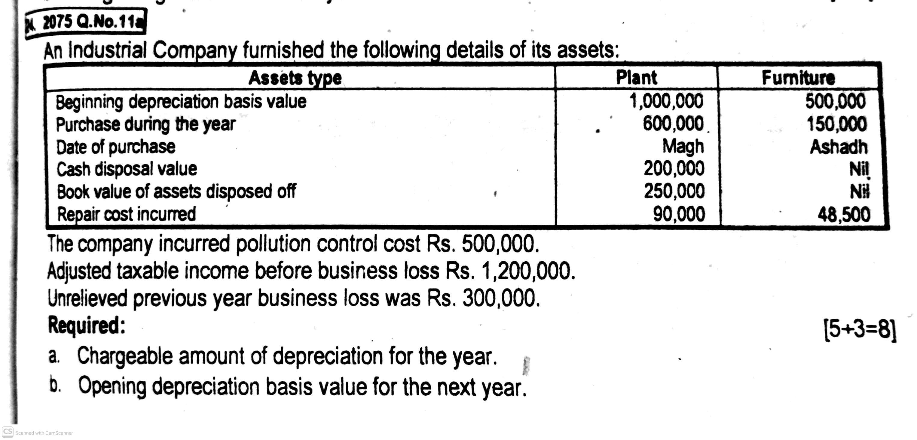
Capitalized Pollution control cost |  | 50000
Opening WDV next year | 476685 | 1216000

Capitalized Pollution control cost(PPC) for Group D:
Adjusted taxable income before business loss |  | 1200000
Less: Uncovered business loss last year |  | 300000
Adjusted taxable income after business loss |  | 900000
Allowable pollution control cost(50% of Adj Taxable income |  | 450000
Actual pollution control cost |  | 500000
(whichver is less)
Capitalized pollution control cost(PPC)(500000-450000) |  | 50000

Capitalized Repair:
Working note for capitalized repair | B | D
Depreciation base | 550000 | 1200000
Allowable 7% of Depreaciation base | 38500 | 84000
Actual repair cost | 48500 | 90000
Capitalized Repair | 10000 | 6000

TU 2073
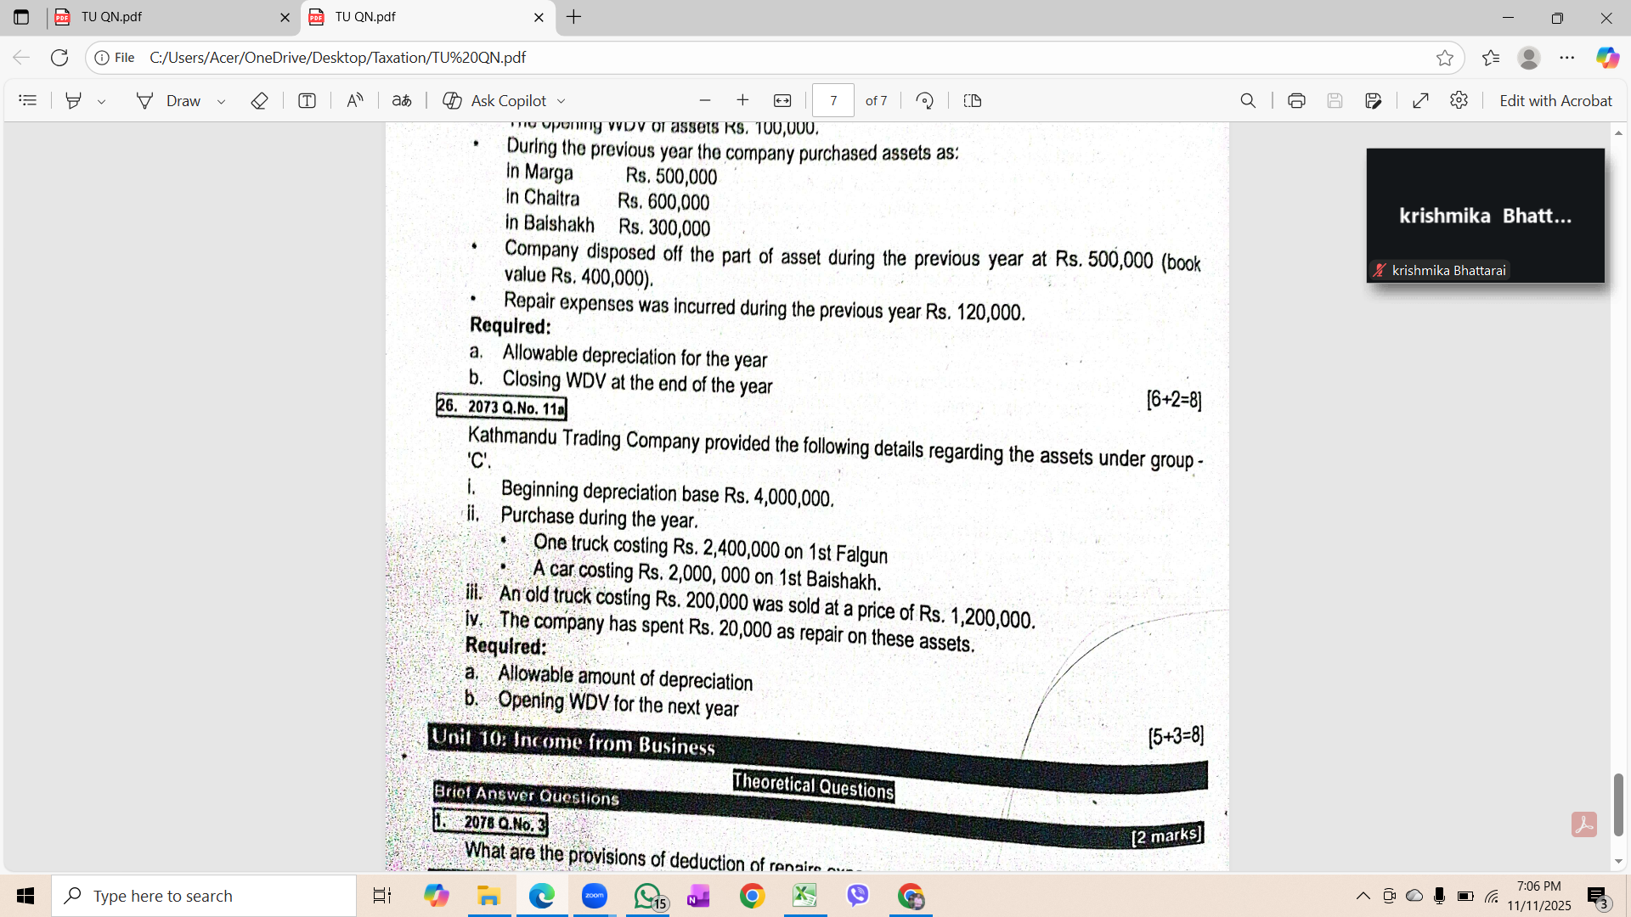
2073
Calculation of Allowable depreciation and Closing WDV
Particular\Blocks | Bolck C
Opening WDV | 4000000
Add: Absorbed/Purchase
1st falgun truck 2400000x2/3) | 1600000
1st Baisakh Car(2000000x1/3) | 666667
Total Assets | 6266667
Less: Disposal/sales | 1200000
Depreciation base | 5066667
Rate of Depreciation | 20%
Allowable depreciation | 1013333.4
Closing WDV | 4053333.6

Calculation of opening WDV
Particulatrs\Bolcks | Block C
Closing WDV | 4053333.6
Add: Unabsorbed/Purchase
1st falgun truck (2400000x1/3) | 800000
1st Baisakh Car(2000000x2/3) | 1333333
Opening WDV for next year | 6186666.6

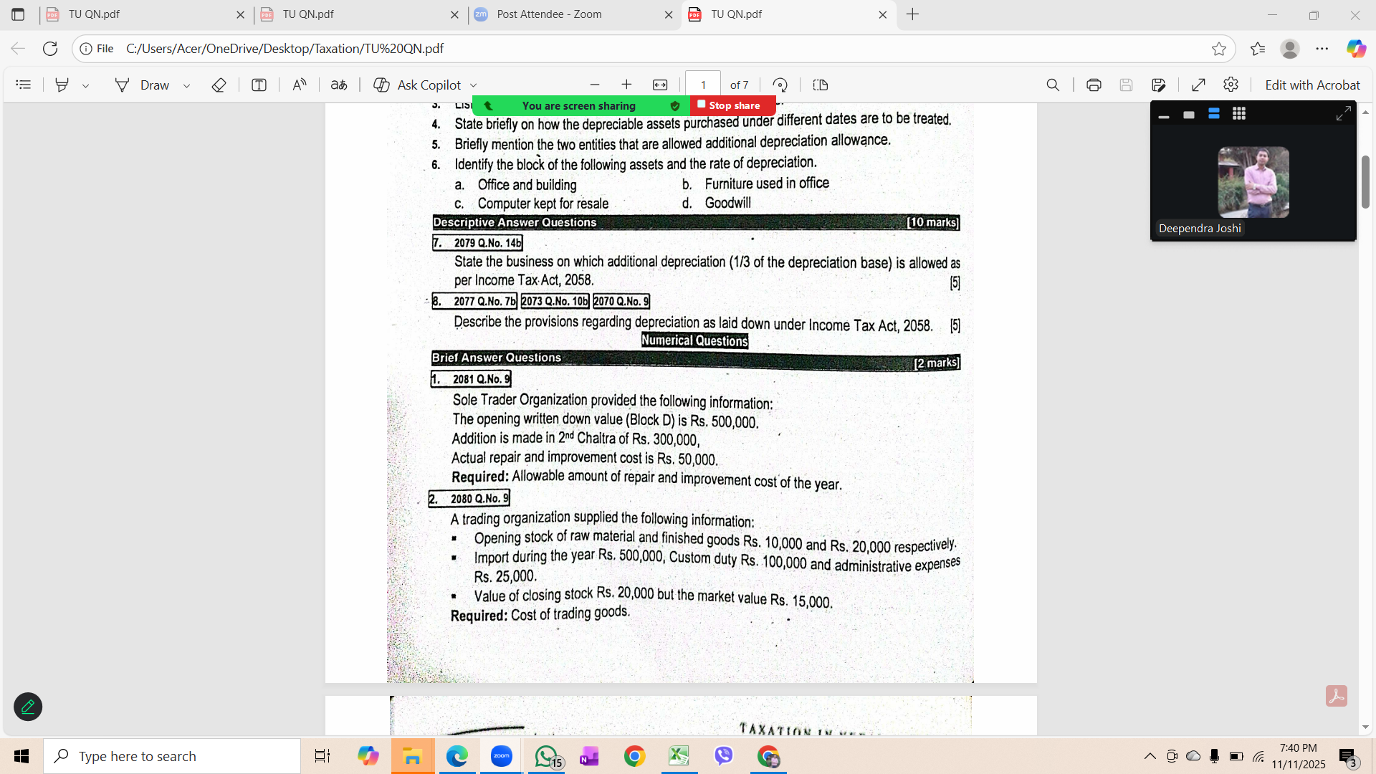
Woring note for capitalized repair | Block C
Depreciation base | 5066667
Allowable depreciaiton 7% | 354666.69
Actual repair cost | 20000
(Whichever is less)
Capitalized repair | 0

2081
Opening WDV | 500000
Add: Purchased(300000x2/3) | 200000
Total Assets | 700000
Less: Disposal | 0
Depreciation base | 700000
Allowable Repair 7% of 700000 | 49000
Actual repair | 50000
(which ever is less)

Allowable Repair =49000
Capitalized repair=1000

Opening WDV= | 100000
Purchase(900000x2/3) | 600000
Depn Base | 1600000

Finding Block of assets
Allowable Depreciation= Depn Basex Rate of Depn
320000=1600000xRate of Depn=0.20=20%
Rate of Depn= Allowable Depn/Depn Base

320000/1600000

0.20=20%= Bloack C

The assets is falls under Block C

PP18
Calculation of Allowable depreciation and Closing WDV
Particular\Blocks | A(Building) | B(computer) | C(Automobile) | D( P&L)
Opening WDV | 2000000 | 500000 | 1800000 | 3300000 |  | A | B | C | D
Add: Unabsorbed PCC Last yr |  |  |  | 300000 | Normal | 5 | 25 | 20 | 15
Unabsorbed RD cost last yr |  |  |  | 200000 | Special industry | 5+5x1/3=6.67 | 25+25x1/3=33.33 | 20+20x1/3=26.67 | 15+15x1/3=20
Add: Purchase
ashwin (600000x3/3) |  | 600000
Marga/Mansir(900000x3/3) |  |  | 900000
Falgun (1200000x2/3) | 800000
Ashad(1800000x1/3) |  |  |  | 600000
Total Assets | 2800000 | 1100000 | 2700000 | 4400000
Less: Disposal Sales(BV+Gain-Loss) | 300000 | 40000 | 400000 | 200000
Depreciation base(A) | 2500000 | 1060000 | 2300000 | 4200000
Rate of Depreciation | 6.67% | 33.33% | 26.67% | 20%
Allowable Depreciation(B) | 166750 | 353298 | 613410 | 840000
Closing WDV (A-B) | 2333250 | 706702 | 1686590 | 3360000

b. Calculation of Openig WDV for next year
Particular\Blocks | A | B | C | D
Closing WDV | 2333250 | 706702 | 1686590 | 3360000
Add: Unabsorbed assets
Falgun(1200000x1/3) | 400000
Ashad(1800000x2/3) |  |  |  | 1200000
Capitalized Repair | 75000 | 0 | 39000
Unabsorbed(Capitalized) PCC |  |  |  | 270000
Opening WDV next year | 2808250 | 706702 | 1725590 | 4830000

Woriking note of Capitalized Repair |  | A | B | C
Depreciation base |  | 2500000 | 1060000 | 2300000
Alloawble repair 7% of Depn base |  | 175000 | 74200 | 161000
Actual repair expenses |  | 250000 | 45000 | 200000
(which ever is less)
Capitalized repair |  | 75000 | 0 | 39000

Working note for PCC
Gross income from Business | 6000000 |  |  | Note: actual reapair allowable repair vanda badhi vaya matra capitalized repair hunxa
Less: Total Deduction before PCC | 5300000 | Exp |  | yadi actual repair allowable kam vayama capitalized repair hudaina(0) hunxa
Adj Taxable income before Loss | 700000
Business Loss | 200000
Ajusted Taxable income before PCC | 500000 |  |  | Capitalized repair= Actual reapir - Allowable repair
Less: Allowable PCC 50% | 250000 |  |  | 250000-175000=75000
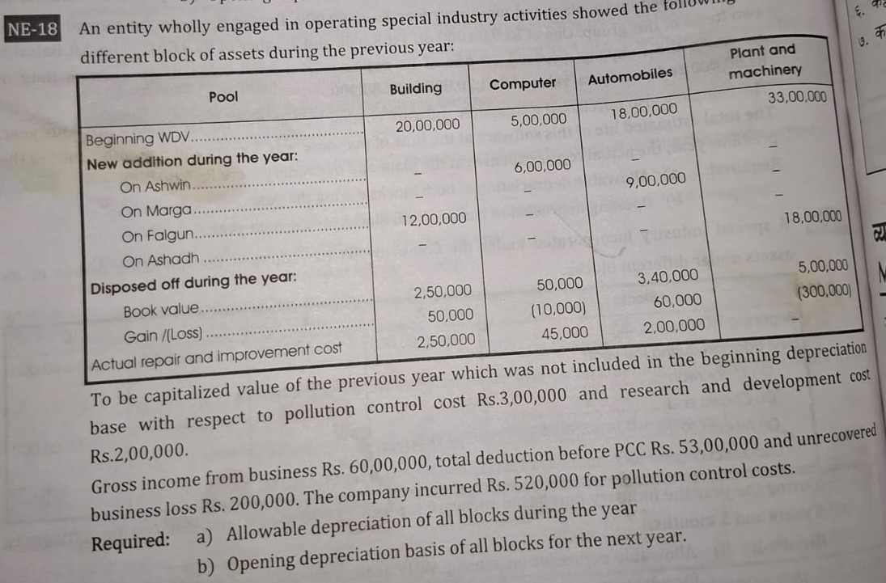
Actual PCC | 520000
(which ever is less)
Capitalized PCC | 270000 | (520000-250000)

