2079
TU 2079
Computation of Assessable income from Sole Trader Business
for income year 2080/81 |  |  | working note
Particulars | Amount | Amount | Calculation of COTS
Sales | 5200000 |  | Particulars | Amount
Other receipt | 40000 |  | Openig Stock | 50000
Refund of custom Duty | 30000 |  | Add: Purchase(3050000-50000) | 3000000
Baddebt recoved(40000x70%) | 28000 |  | Cariiage on purchase | 30000
Sales of scrap | 10000 |  | Wages | 170000
Rent from staff quarter | 20000 |  | Total | 3250000
Gain business chargable assets | 20000 |  | Less: Closing stock(300000+10000) | 310000
Gross Income from Business |  | 5348000 | COTS | 2940000
Less allowable deduction
Cost of Trading Stock(COTS) | 2940000
Office rent paid | 50000
Salary | 250000
General expenses | 80000
Legal expenses | 20000
Staff welfare expenses | 120000
Interest on bank loan | 130000
Insurance of fixed assets | 20000
Depreciation allowabe | 40000
Membership renewal charge | 10000
Total Allowable deduction |  | 3660000
Adj. Taxable income before Business Loss |  | 1688000
Less: Business Loss |  | 50000 | Donation tax exempt orga
Adj. Taxable income before PCC & R&D |  | 1638000 | Adj taxable income before PCC=1638000
Less: Pollution control cost(PCC) |  |  | Add: Investment income 30000
50% of 1638000=819000 |  | 50000 | Gain on non business chargable assets) |  | Capital gain
Actual PCC 50000 ( whichever is less) |  |  | Adj taxable income for Donation=1668000 |  | 1. Gain on sale of share/security
Net Assessable income from Business |  | 1588000 | 5% of 1668000= 83400 |  | 2. Gain on sale of land and building
 |  |  | Acutal(20000x60%=12000 |  | 3. Gain on sale of non-chargable assets
Statement of taxable income |  |  | Maximum= 100000( whichever is less)
Particulars | Amount
Net Assessable income form Business | 1588000
Net Assessable income from Invistment
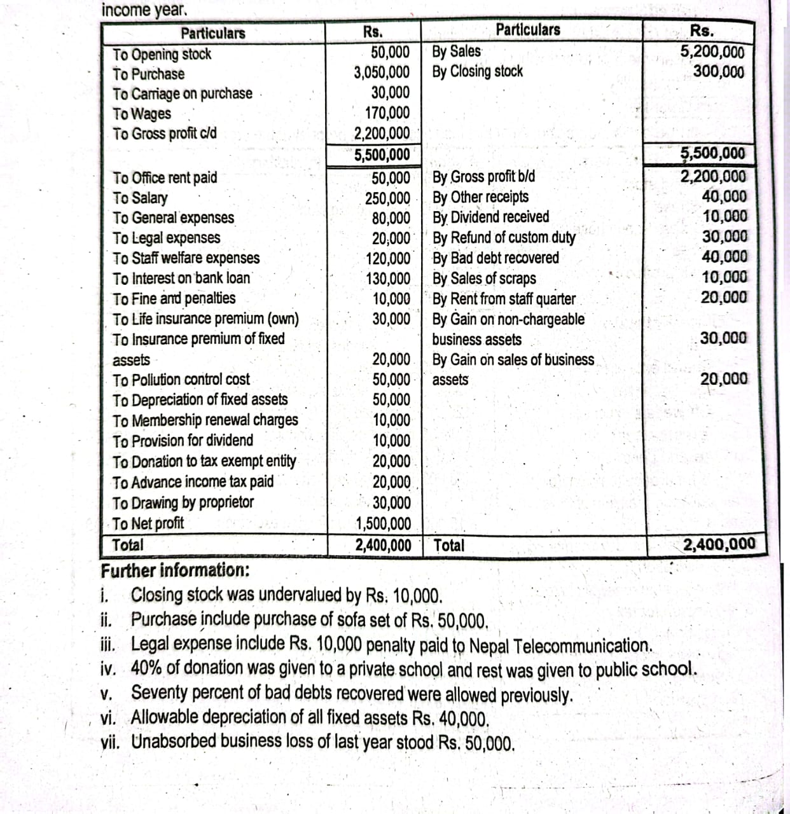
Gain on sale of non business chargable assets | 30000
Total Assessable income | 1618000
Less: Allowable Reduction
Life insurance premium(LIP)
Actaul 30000
Max. 40000( which ever is less) | 30000
Donation to tax exempt orgn | 12000
Net Taxable income including capital gain | 1576000
Less: Capital Gain(Gain on sale of non-business chargable assets) | 30000
Net Taxable excluding capial gain | 1546000

Statement of tax liability (Assume single)
Particulars | Amount
First 500000@0% | 0
Next 200000@10% | 20000
Next 300000@20% | 60000
Balance (1546000-1000000)=546000@30% | 163800
Capital gain tax on non-businss assets@10% | 3000
(30000x10%=3000) | 246800
Total Tax Liability
Less: Advance tax paid | 20000
Net Tax liability | 226800

2080
PL/ Trading a/c diyako xa vane business ko question ho
receipt and payment a/c or Income and expenditure a/c diyako xa vane profession ko question ho

TU 2080
Computation of Assessable income from Sole Trader Business |  |  | Caln of COTS
for income year 2080/81 |  |  | Opening stock | 30000
Particulars | Amount | Amount | Add: Puchase | 2000000
Sales | 5000000 |  | Carrige | 25000
Sundry income | 50000 |  | wages | 175000
Refund of custom custom duty | 45000 |  | Total | 2230000
Baddebt recovered(40000x70%) | 28000 |  | Less: closing stock | 310000
Rent from staff quarter | 25000 |  | (300000+10000) | 1920000
Gain on foreign exchange gain | 25000 |  | COTS
Gross income from business(A) |  | 5173000
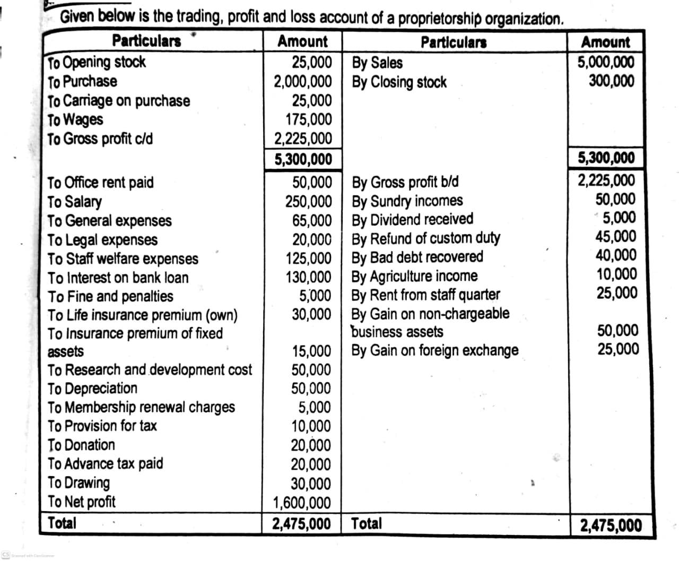
Less: Allowable deduction
Cost of trading stock(COTS) | 1920000
office rent | 50000
salary | 250000
Legal expenses(20000-5000) | 15000
Staff welfare expenses | 125000
interest on bank loan | 130000
General expenses | 65000
Insurance premium of assets | 15000
Allowable depreciation | 40000
allowble repair | 30000
membership renewal charge | 5000
Total allowable deduction(B) |  | 2645000
Adj taxable income before business loss(A-B) |  | 2528000
Less: Business Loss |  | 50000
Adj Taxable income before PCC & R&D |  | 2478000
Less: Research and Dev cost (R&D)
50% of 2478000=1239000 |  | 50000
Actual=50000 (whichever is less)
Assessable income from busiess |  | 2428000

Statement of taxable income
Particulars | Amount
Assessable income form Business | 2428000
Assessable income from Invistment
Gain on sale of non business chargable assets | 50000
Total Assessable income | 2478000
Less: Allowable Reduction
Life insurance premium(LIP) own
Actaul 30000
Max. 40000( which ever is less) | 30000
Donation to tax exempt orgn | 8000
Net Taxable income including capital gain | 2440000
Less: Capital Gain(Gain on sale of non-business chargable assets) | 50000
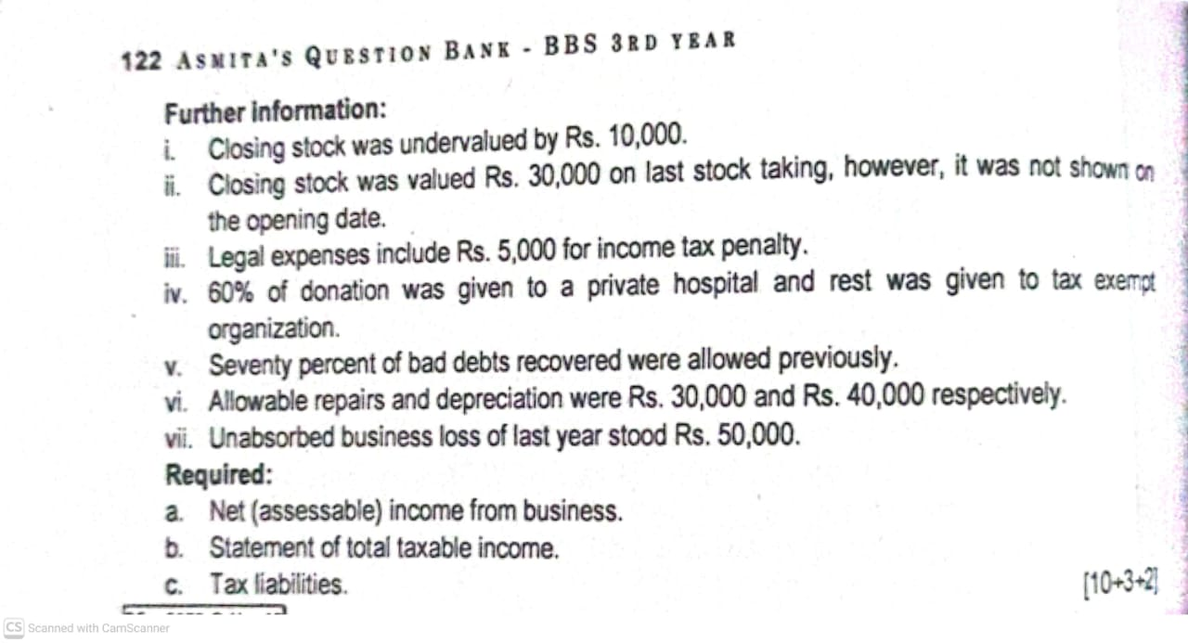
Net Taxable excluding capial gain | 2390000

c. Statement of tax liabilities: Single
Particulars | Amount
first 500000@0% | 0
Next 200000@10% | 20000
next 300000@20% | 60000
next 1000000@30% | 300000
balance(2390000-2000000)=390000@36% | 140400
Capital gain tax 50000x10% | 5000
total tax liabilities | 525400
less: advance tax paid | 20000
Net tax liabilities | 505400

Donation tax exempt orga
Adj taxable income before PCC= | 2478000
Add: Investment income
Gain on non business chargable assets) | 50000
Adj taxable income for Donation | 2528000
5% of 2528000=126400
Actual=20000x40%)=8000 | 8000
Maximum= 100000( whichever is less)

Explanation
Devidend received is final TDS so not included in income
Provison for tax, drawing ,fine and penalties are not allowable deduction
Donation given to private hospital is not allowable deduction
agriculture income is not taxable so not included in income

2081
TU 2081
Computation of Assessable income from proprietorship Business
for income year 2080/81
Particulars | Amount | Amount | Working note
Sales | 4900000 |  | Calculation of COST
rent form staff quarter | 45000 |  | Opening stock(210000-10000) | 200000
commission receivced | 10000 |  | Add: Purchase(2020000-120000) | 1900000
sundry receipt | 40000 |  | Carriage | 260000
Baddebt recovered(60000x70%) | 42000 |  | custom duty | 110000
gift received relating to business | 50000 |  | wages | 340000
Gross income from business(A) |  | 5087000 | Total | 2810000
Less: Allowble deduction |  |  | Less: Closing stock(450000-50000) | 400000
Cost of Trading stock(COTS) | 2410000 |  | COTS | 2410000
salary | 650000
office rent | 240000 |  | Calculation of allowable depreciation(D)-Plant
General expenses | 70000 |  | Opening WDV | 400000
water and electricity expenses | 80000 |  | Add: Purchase
Legal expenses(15000-5000) | 10000 |  | Chaitra 120000x2/3 | 80000
Audit expenses | 30000 |  | Total assets | 480000
Promotion expenses | 25000 |  | Less: Disposal or sales | 80000
interest on loan | 40000 |  | Depreciation base | 400000
Baddebt expenses | 30000 |  | Rate of depreciation | 15%
Fire insurance premium | 20000 |  | Allowable depreciation | 60000
Depreciation allowable | 60000
Repair allowable | 28000
Sundry expenses | 50000
Total allowable deduction(B) |  | 3743000
Adj Taxable income before business loss(A-B) |  | 1344000 | Caln of allowable repair
Less: Business Loss |  | 50000 | Depreciable base | 400000
Adj Taxable income before PCC & R&D |  | 1294000 | 7% of depreciation base
Less: Pollution control cost(PCC) |  |  | 400000x7%=28000
50%1294000=647000 |  |  | Actual repair=30000 | 28000
Actual=110000( whichever is less) |  | 110000 | (whichever is less)
Assessble income from business |  | 1184000

Statement of taxable income
Particulars | Amount
Assessable income form Business | 1184000
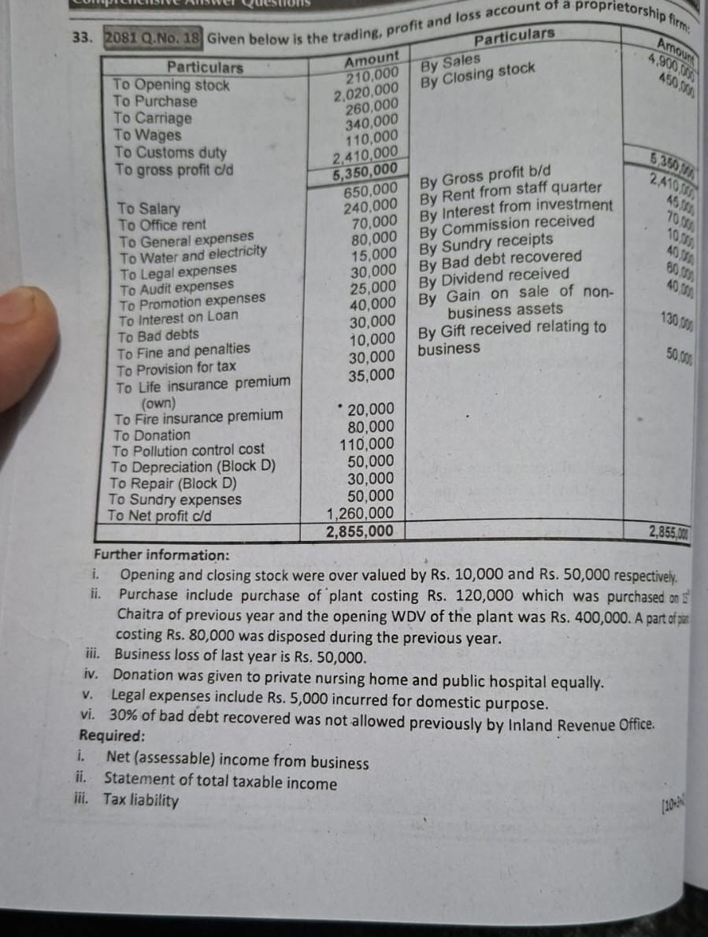
Assessable income from Invistment:
Gain on sale of non business chargable assets=130000 | 200000
Interest on investment= 70000
Total Assessable income | 1384000
Less: Allowable Reduction
Life insurance premium(LIP) own
Actaul 35000 | 35000
Max. 40000( which ever is less)
Donation to tax exempt public hospital | 40000
Net Taxable income including capital gain | 1309000
Less: Capital Gain(Gain on sale of non-business chargable assets) | 130000
Net Taxable excluding capial gain | 1179000

c. Statement of tax liabilities: Single
Particulars | Amount
first 500000@0% | 0
Next 200000@10% | 20000
next 300000@20% | 60000
Balance(1179000-1000000) 179000@30% | 53700
Capital gain tax 130000x10% | 13000
total tax liabilities
less: advance tax paid | 0
Net tax liabilities
 | 146700

2068
TU 2068
Computation of Assessable income from proprietorship Business
for income year 2080/81
Particulars | Amount | Amount |  |  | Caln of COTS
Sales | 3900000 |  |  |  | Opening stock | 1000000
Commission received | 30000 |  |  |  | Add: Purchase(2500000-99000) | 2401000
Miscellaneous income | 19500 |  |  |  | wages 100000
Gross income from business |  | 3949500 |  |  | Add: o/s wages 5000 | 105000
Less: Allowable deduction |  |  |  |  | Total | 3506000
COTS | 2706000 |  |  |  | Less: Closing stock | 800000
salary to staff | 420000 |  |  |  | 920000x100/100+15
Rent of godown | 200000 |  |  |  | 920000x100/115=800000
stationary | 20000 |  |  |  | COTS | 2706000
entertainment | 5000
Audit fee | 10000
Discount | 20000
Depreciation
Machinery | 120000
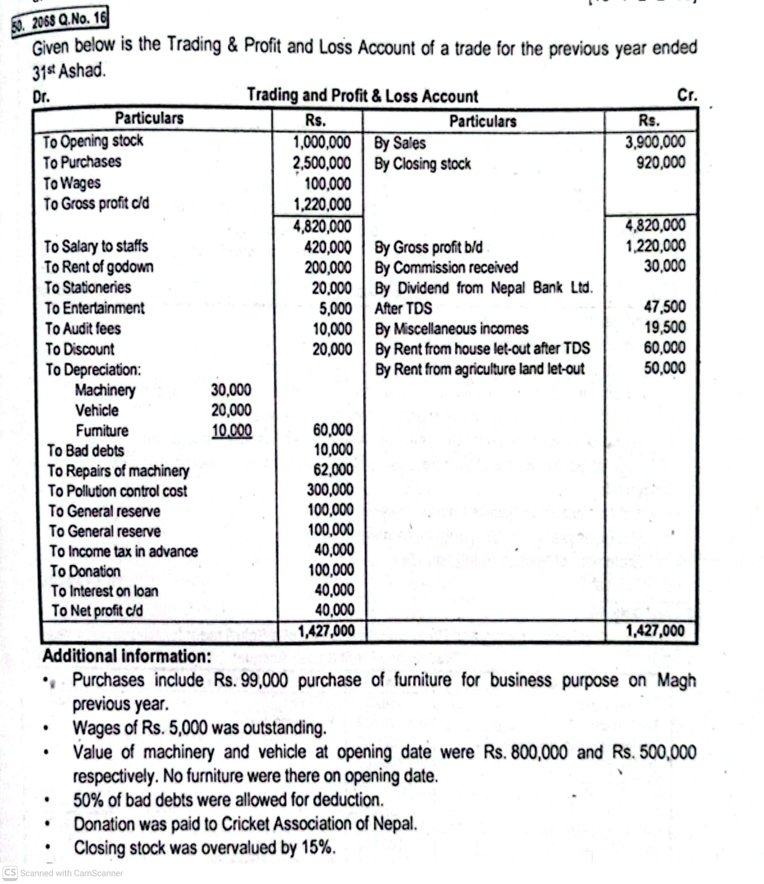
Vehicle | 100000
Fueniture | 16500
baddebt(10000x50%) | 5000
Repair of machinery
7% of depreciation base 800000x7%=56000 | 56000
Actual repair(given)=62000 (whichever isless)
interest on loan | 40000
Total allowable deduction |  | 3718500
Adj Taxable income before business loss |  | 231000
Less: Business Loss |  | 0
Adj Taxable income before PCC & R&D |  | 231000
Less: PCC = 50% of 231000= 115500 |  | 115500
Actual PCC=300000( whichever is less)
Assessable income from business |  | 115500

Calculation of allowabe depreciaton
Particulars\Block | Furniture-B | Vehicle-C | Machinery-D
Openig WDV | 0 | 500000 | 800000
Add: Purchased or absorbed
Furniture Magh 99000x2/3= 66000 | 66000 | 0 | 0
Depreciation base | 66000 | 500000 | 800000
Rate of depreciation | 25% | 20% | 15%
Allowable depreciation | 16500 | 100000 | 120000

Statement of taxable income
Particulars | Amount
Assessable income form Business | 115500
Assessable income from Invistment: | 0
Total assessable income | 115500
Less: Donation
5% of Adj taxable income before PCC+ Investment
5% of (231000+0)=11550 | 11550
Actual donation=100000
Max 100000( whichever is less)

Net Taxable income | 103950

Statement of tax liabilities: single
103950@0%=0
Less: Advance tax paid=40000
Tax refundable= 40000

 |  |  |  | Assets purchase date
 |  |  |  | shrawan to poush end 3/3
 |  |  |  | magh to chaitra end 2/3
 |  |  |  | baisakh to ashad end 1/3

PP23
Computation of Assessable income from Trading company
for income year 2080/81
Particulars | Amount | Amount
Sales | 5660000 |  |  | Caln of COTS
Income from godown rent | 30000 |  |  | Opening stock | 500000
commission received | 20000 |  |  | 550000x100/110
Other income(75000-40000) | 35000 |  |  | Purchase | 2000000
Gross income from business(A) |  | 5745000 |  | labour charge | 18000
Less: Allowable deduction |  |  |  | Traansportation | 1300
Cost of trading stock (COTS) | 2119300 |  |  | Total | 2519300
Employees providend fund exp | 50000
office expenses | 80000 |  |  | Less: Closing stock
selling and distribution expenses | 44000 |  |  | 440000x100/110 | 400000
Marketing expenses | 120000 |  |  | COTS | 2119300
Hopitality expenses | 37000
Legal expenses(17000-4000-1500) | 11500
Audit fee | 15000
Discount and commission | 7500
rent and rates | 17500
Mediacal expenses for employee | 20000
Depreciation
A=1500000x5% | 75000
B=200000x25% | 50000
C=1000000x20% | 200000
Total allowable deduction(B) |  | 2846800
Adj. Taxable income before business loss(A-B) |  | 2898200
Less: Business loss |  | 118200
Adj. Taxable income before PCC & R&D |  | 2780000
Less: Pollution control cost(PCC)
50% of 2780000=1390000 |  | 400000
Actual=400000 (whichever is less)
Assessable income from business |  | 2380000

Statement of taxable income
Particulars | Amount
Assessable income form Business | 2380000
Assessable income from Invistment
interest on investment | 65500
Gain on sale of securities non listed(51000/0.85) | 60000
less: Loss on sale of securities | 20000
Total assessable income | 2485500 | Non listed | 15%
Less: Allowable deduction |  | listed | 10%
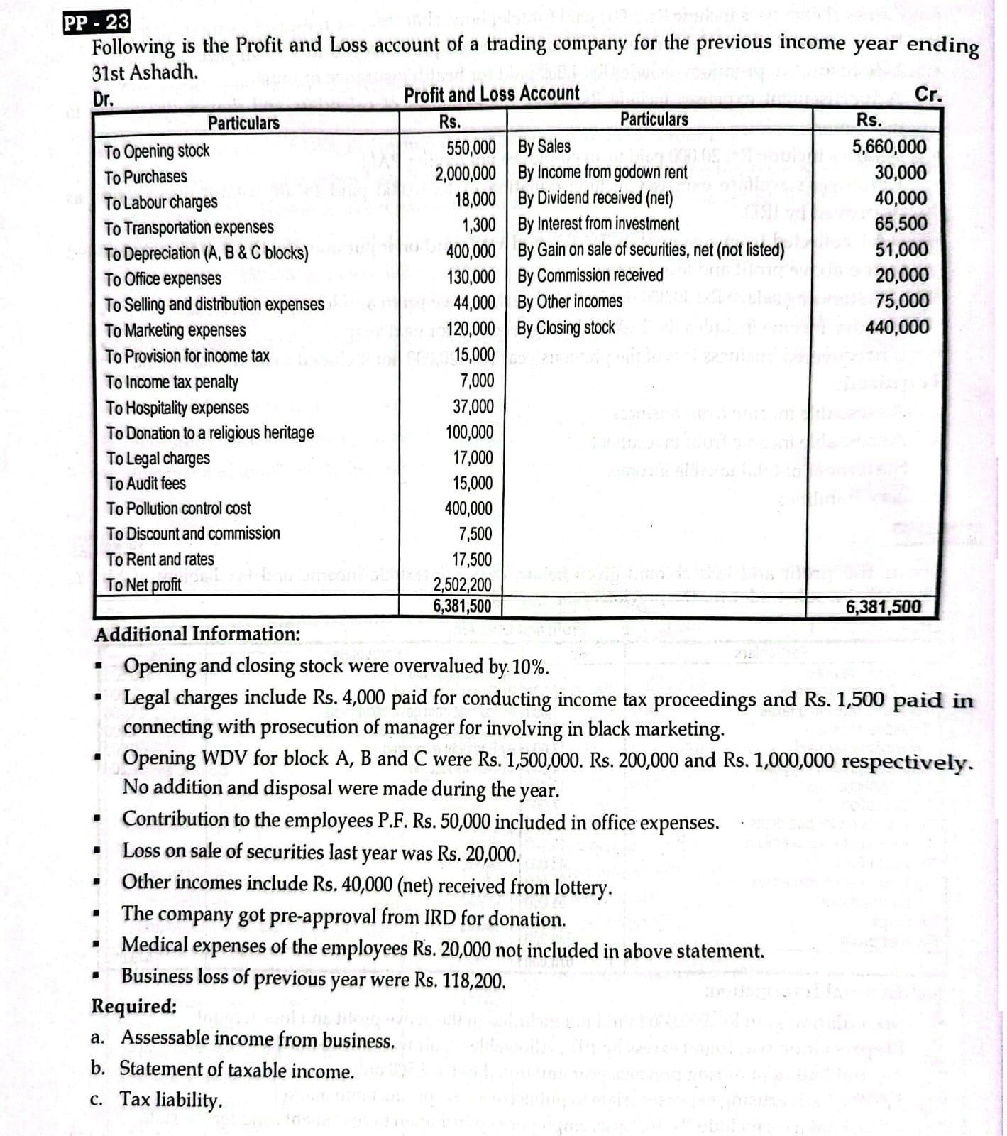
Donation to religiouns heritage by company | 100000
Net taxable income | 2385500

Statement of tax liablities for company
2385500x25%=596375
Less: Advance tax paid
Advance TDS on sale of securities(60000-51000)=9000
Net tax liabilities | 587375

Working note for Donation( special donation)

Adj taxable income before PCC | 2780000
Investment income(65500+60000-20000) | 105500
Total taxable income for donation | 2885500
10% 2885500=288550
Actual 100000
Max. 1000000(whichever is less)
Allowable donation | 100000

2067
Computation of Assessable income from sole trader
for income year 2080/81
Particulars | Amount | Amount
Sales | 2350000 |  | Note: Dividend paid and devidend received aaudaina
Sundry income(80000-20000) | 60000 |  | Gain on sale of depreciable assets, business assets vanema Business income ma aauxa
Baddebt debt recovered(120000x50%) | 60000 |  | Gain on sale of non-business assets, non- business chargeable assets vanema investment income ma aauxa
commission | 25000
Discount | 35000 |  | Working note: Caln of COTS
Compensaation received | 150000 |  | Opening sotck | 200000 |  | OR, | OS under valued by 10%
Gain on sale of depreciabl assets | 120000 |  | 180000/0.90=200000 |  | Opening stock= Given OS X 100/100-% under value
Gross income from business |  | 2800000 | Purchase | 1000000
Less: Cost of Trading stock(COTS) | 1400000 |  | carriage on purchase | 100000
Staff salary | 200000 |  | wages | 400000 |  |  | (180000x100/100-10
Rent and rates and tax | 15000 |  | Total | 1700000
Sundry expenses | 140000 |  | Less: Closing stock |  |  |  | 180000x100/90=200000
Depreciation: |  |  | 330000/1.10 | 300000
Machinery | 150000 |  | COTS | 1400000
Building | 100000 |  |  |  |  | 100-10=90%=0.90
Office and adm expneses | 150000
Repair building | 140000 |  |  |  | OR | CS over valued by 10%
Machinery | 70000
compensaction to old employee | 25000 |  |  |  | Closing stock= Given CSx 100/100+% over value
Total allowable deduction |  | 2390000
Adj. Taxable income before Business loss |  | 410000 |  |  |  |  | 330000x100/100+10
...
Statement of taxable income
Total assessable income | 547500 |  | Allowable depreciation= Depreciation base X Rate of Depn
Less: Donation | 37625
Net taxable income | 509875 |  | Depn base= Allowable depn/Rate of Depn
 |  |  |  |  |  | 5%=5/100=0.05
 |  |  | Building= 100000/0.05=2000000
Tax liabilities= Single |  |  | Mechinery= 150000/0.15=1000000 |  |  | 15%=15/100=0.15
500000 @0% =0 | 0
9875@10=987.5 | 987.5 |  | or
Less: Advane TDS=150000 |  |  | Building= 100000/5%=2000000
( TDS on interest from private party | 15000 |  | Mechinery= 150000/15%=1000000
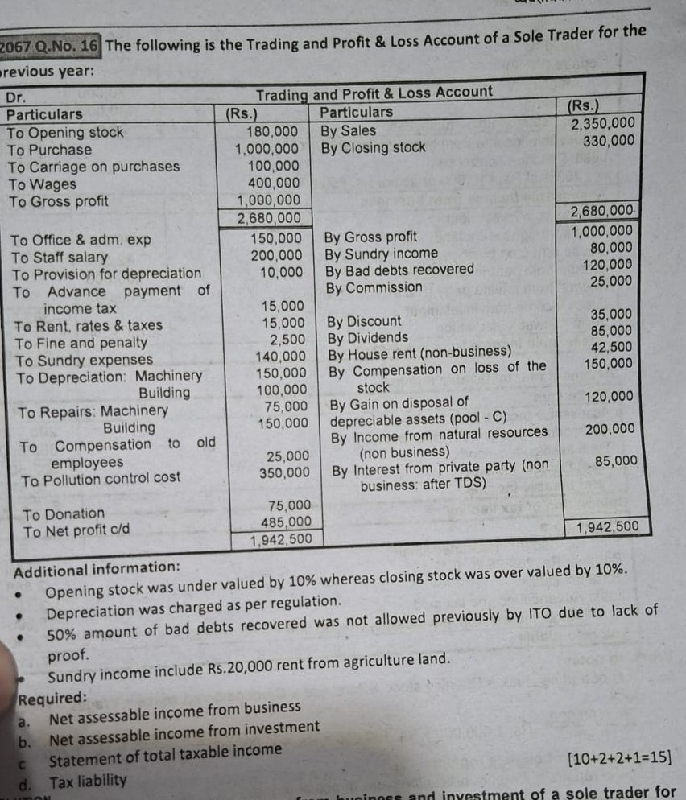
(100000-85000)=15000
Advance payment of income tax | 15000
Net tax refundable | 29012.5

House rent received by individual = narakhne
House rent received by sole trading business= rakhne
Donation tax exempt orga:
Adj taxable income before PCC= | 410000
Add: Investment income (42500+200000+100000) | 342500
Adj taxable income for Donation | 752500
5% of 752500=37625 | 37625
Actual=75000
Maximum= 100000( whichever is less)

Calculation of allowable repair

Particulars | Building-A | Mechinery-D
Depreciation base | 2000000 | 1000000
Allowable 7% of depreciation base | 140000 | 70000
Actual repair | 150000 | 75000
(whichver is less)
Allowable repair | 140000 | 70000

